Payroll Cost Definition
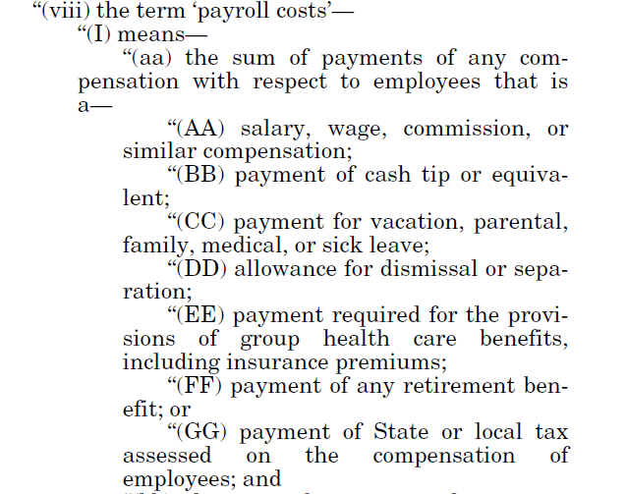
Pa

Limits & Exclusions
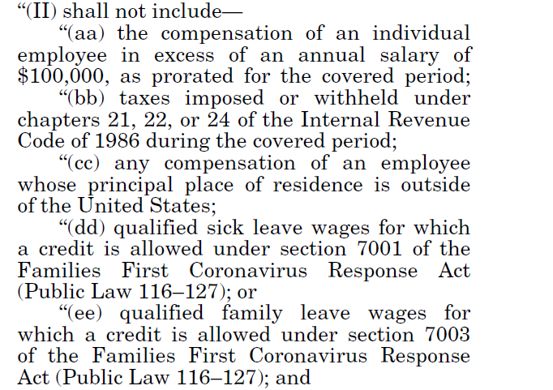

(aa) $100k cap on salary

(bb) Exclusion of FICA and other payroll tax

(dd) Paid sick leave under FFCR Act of 2020 (1st COVID-19 related legislation)

(ee) Qualified family leave under FFCR Act of 2020 (1st COVID-19 related legislation)

